S2p Scan
Normalisation | Self |  |  | Acquisition Parameters :
Baseline Subtraction | Performed
Maximum Intensity | 64664.3 |  |  | Parameter
Minimum Intensity | 59592.7 |  |  | Total acquisition time | 1 mins 44.8 secs
Calibration | C1s C-C |  |  | Number of Scans | 16
Binding Energy | 284.88 |  |  | Number of Energy Steps | 131

Unprocessed Data |  |  |  |  |  |  |  |  | Processed Data

Binding Energy | Raw Data | S2p3 Au-S | S2p1 Au-S | S2p3 Au-S-R | S2p1 Au-S-R | Backgnd. | Envelope | Residuals | Binding Energy (calibrated) | Raw Data (Normalised) | S2p3 Au-S (Normalised) | S2p1 Au-S (Normalised) | S2p3 Au-S-R (Normalised) | S2p1 Au-S-R (Normalised) | Backgnd. (Normalised) | Envelope (Normalised) | Residuals (Normalised)
eV | Counts / s | Counts / s | Counts / s | Counts / s | Counts / s | Counts / s | Counts / s | Counts / s (Residuals 6) | eV | Counts / s | Counts / s | Counts / s | Counts / s | Counts / s | Counts / s | Counts / s | Counts / s (Residuals 6)
170.08 | 59592.7 | 0 | 0 | 0 | 0 | 59691.5 | 59592.7 | 0 | 170 | 0 |  |  |  |  | 0.019481031627 | 0
169.98 | 59746.6 | 0 | 0 | 0 | 0 | 59703.8 | 59746.6 | 0 | 169.9 | 0.030345453111 |  |  |  |  | 0.021906301759 | 0.030345453111
169.88 | 59735.2 | 0 | 0 | 0 | 0 | 59716.2 | 59735.2 | 0 | 169.8 | 0.02809764177 |  |  |  |  | 0.024351289534 | 0.02809764177
169.78 | 59755.1 | 0 | 0 | 0 | 0 | 59728.6 | 59755.1 | 0 | 169.7 | 0.032021452796 |  |  |  |  | 0.026796277309 | 0.032021452796
169.68 | 59800.4 | 0 | 0 | 0 | 0 | 59740.9 | 59800.4 | -1.39E-11 | 169.6 | 0.040953545232 |  |  |  |  | 0.029221547441 | 0.040953545232 | -11.750276047
169.58 | 59819.8 | 0 | 0 | 0 | 0 | 59753.3 | 59819.8 | -4.62E-11 | 169.5 | 0.044778768042 |  |  |  |  | 0.031666535216 | 0.044778768042 | -11.750276047
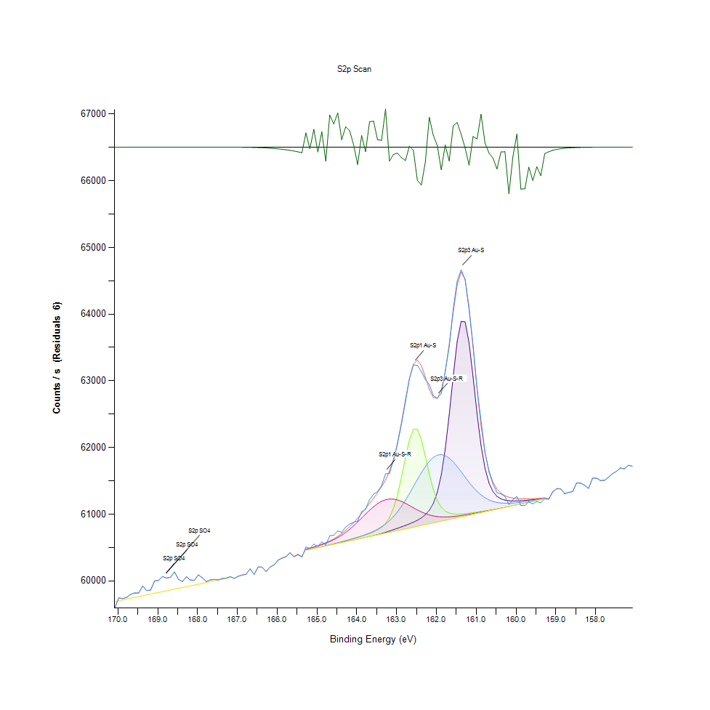
169.48 | 59818.6 | 0 | 0 | 0 | 0 | 59765.7 | 59818.6 | -1.73E-10 | 169.4 | 0.044542156321 |  |  |  |  | 0.034111522991 | 0.044542156321 | -11.750276047
169.38 | 59924.3 | 0 | 0 | 0 | 0 | 59778 | 59924.3 | -5.38E-10 | 169.3 | 0.06538370534 |  |  |  |  | 0.036536793122 | 0.06538370534 | -11.750276047
169.28 | 59856.2 | 0 | 0 | 0 | 0 | 59790.4 | 59856.2 | -1.74E-09 | 169.2 | 0.05195599022 |  |  |  |  | 0.038981780898 | 0.05195599022 | -11.750276047
169.18 | 59863.2 | 0 | 0 | 0 | 0 | 59802.7 | 59863.2 | -5.41E-09 | 169.1 | 0.053336225254 |  |  |  |  | 0.041407051029 | 0.053336225254 | -11.750276047
169.08 | 60001.5 | 0 | 0 | 0 | 0 | 59815.1 | 60001.5 | -1.62E-08 | 169 | 0.080605726004 |  |  |  |  | 0.043852038804 | 0.080605726004 | -11.750276047
168.98 | 60008.3 | 0 | 0 | 0 | 0 | 59827.5 | 60008.3 | -4.70E-08 | 168.9 | 0.081946525751 |  |  |  |  | 0.046297026579 | 0.081946525751 | -11.750276047
168.88 | 60066.2 | 0 | 0 | 0 | 0 | 59839.8 | 60066.2 | -1.32E-07 | 168.8 | 0.093363041249 |  |  |  |  | 0.048722296711 | 0.093363041249 | -11.750276047
168.78 | 60044.1 | 0 | 0 | 0 | 0 | 59852.2 | 60044.1 | -3.61E-07 | 168.7 | 0.08900544207 |  |  |  |  | 0.051167284486 | 0.08900544207 | -11.750276047
168.68 | 60054.1 | 0 | 0 | 0 | 0 | 59864.6 | 60054.1 | -9.54E-07 | 168.6 | 0.090977206404 |  |  |  |  | 0.053612272261 | 0.090977206404 | -11.750276047
168.58 | 60134.8 | 0 | 0 | 0 | 0 | 59876.9 | 60134.8 | -2.45E-06 | 168.5 | 0.10688934459 |  |  |  |  | 0.056037542393 | 0.10688934459 | -11.750276047
168.48 | 60024.2 | 0 | 0 | 0 | 0 | 59889.3 | 60024.2 | -6.09E-06 | 168.4 | 0.085081631043 |  |  |  |  | 0.058482530168 | 0.085081631043 | -11.750276048
168.38 | 59991.1 | 0 | 0 | 0 | 0 | 59901.6 | 59991.1 | -1.47E-05 | 168.3 | 0.078555091096 |  |  |  |  | 0.0609078003 | 0.078555091096 | -11.75027605
168.28 | 60064 | 0 | 0 | 0 | 0 | 59914 | 60064 | -3.44E-05 | 168.2 | 0.092929253096 |  |  |  |  | 0.063352788075 | 0.092929253096 | -11.750276054
168.18 | 60013.1 | 0 | 0 | 0 | 0 | 59926.4 | 60013.1 | -7.81E-05 | 168.1 | 0.082892972632 |  |  |  |  | 0.06579777585 | 0.082892972632 | -11.750276062
168.08 | 60010.8 | 0 | 0 | 0 | 0 | 59938.7 | 60010.8 | -0.000172084 | 168 | 0.082439466835 |  |  |  |  | 0.068223045982 | 0.082439466835 | -11.750276081
167.98 | 60091.4 | 0 | 0 | 0 | 0 | 59951.1 | 60091.4 | -0.00036777 | 167.9 | 0.098331887373 |  |  |  |  | 0.070668033757 | 0.098331887373 | -11.75027612
167.88 | 60046 | 0 | 0 | 0 | 0 | 59963.5 | 60046 | -0.00076271 | 167.8 | 0.089380077293 |  |  |  |  | 0.073113021532 | 0.089380077293 | -11.750276197
167.78 | 59991.8 | 0 | 0 | 0 | 0 | 59975.8 | 59991.8 | -0.00153518 | 167.7 | 0.078693114599 |  |  |  |  | 0.075538291663 | 0.078693114599 | -11.75027635
167.68 | 60015.5 | 0 | 0 | 0 | 0 | 59988.2 | 60015.5 | -0.0029995 | 167.6 | 0.083366196072 |  |  |  |  | 0.077983279438 | 0.083366196072 | -11.750276638
167.58 | 60023.1 | 0 | 0 | 0 | 0 | 60000.5 | 60023.1 | -0.00569002 | 167.5 | 0.084864736967 |  |  |  |  | 0.08040854957 | 0.084864736967 | -11.750277169
167.48 | 60014.6 | 0 | 0 | 0 | 0 | 60012.9 | 60014.6 | -0.0104821 | 167.4 | 0.083188737282 |  |  |  |  | 0.082853537345 | 0.083188737282 | -11.750278114
167.38 | 60036.4 | 0 | 0 | 0 | 0 | 60025.3 | 60036.4 | -0.0187569 | 167.3 | 0.087487183532 |  |  |  |  | 0.08529852512 | 0.087487183532 | -11.750279745
167.28 | 60041.5 | 0 | 0 | 0 | 0 | 60037.6 | 60041.5 | -0.0326114 | 167.2 | 0.088492783343 |  |  |  |  | 0.087723795252 | 0.088492783343 | -11.750282477
167.18 | 60064.2 | 0 | 0 | 0 | 0 | 60050 | 60064.3 | -0.055108 | 167.1 | 0.092968688382 |  |  |  |  | 0.090168783027 | 0.092988406026 | -11.750286913
167.08 | 60037.9 | 0 | 0 | 0 | 0 | 0 | 60037.9 | -0.0905424 | 167 | 0.087782948182 |  |  |  |  |  | 0.087782948182 | -11.7502939
166.98 | 60070 | 0 | 0 | 0 | 0 | 0 | 60070.2 | -0.144698 | 166.9 | 0.094112311697 |  |  |  |  |  | 0.094151746983 | -11.750304578
166.88 | 60088.7 | 0 | 0 | 0 | 0 | 0 | 60088.9 | -0.225036 | 166.8 | 0.097799511002 |  |  |  |  |  | 0.097838946289 | -11.750320419
166.78 | 60100.7 | 0 | 0 | 0 | 0 | 0 | 60101.1 | -0.34077 | 166.7 | 0.1001656282 |  |  |  |  |  | 0.10024449878 | -11.750343239
166.68 | 60180.4 | 0 | 0 | 0 | 0 | 0 | 60180.9 | -0.50277 | 166.6 | 0.11588058995 |  |  |  |  |  | 0.11597917817 | -11.750375181
166.58 | 60096.9 | 0 | 0 | 0 | 0 | 0 | 60097.6 | -0.723269 | 166.5 | 0.099416357757 |  |  |  |  |  | 0.09955438126 | -11.750418659
166.48 | 60209.4 | 0 | 0 | 0 | 0 | 0 | 60210.4 | -1.01539 | 166.4 | 0.12159870652 |  |  |  |  |  | 0.12179588296 | -11.750476258
166.38 | 60205.8 | 0 | 0 | 0 | 0 | 0 | 60207.2 | -1.39257 | 166.3 | 0.12088887136 |  |  |  |  |  | 0.12116491837 | -11.750550629
166.28 | 60140.2 | 0 | 0 | 0 | 0 | 0 | 60142.1 | -1.86797 | 166.2 | 0.10795409733 |  |  |  |  |  | 0.10832873255 | -11.750644367
166.18 | 60207 | 0 | 0 | 0 | 0 | 0 | 60209.5 | -2.45422 | 166.1 | 0.12112548308 |  |  |  |  |  | 0.12161842417 | -11.750759961
166.08 | 60239.3 | 0 | 0 | 0 | 0 | 0 | 60242.5 | -3.1635 | 166 | 0.12749428188 |  |  |  |  |  | 0.12812524647 | -11.750899815
165.98 | 60309.3 | 0 | 0 | 0 | 0 | 0 | 60313.3 | -4.00845 | 165.9 | 0.14129663223 |  |  |  |  |  | 0.14208533796 | -11.751066419
165.88 | 60340.6 | 0 | 0 | 0 | 0 | 0 | 60345.6 | -5.00404 | 165.8 | 0.14746825459 |  |  |  |  |  | 0.14845413676 | -11.751262726
165.78 | 60361.6 | 0 | 0 | 0 | 0 | 0 | 60367.8 | -6.17051 | 165.7 | 0.1516089597 |  |  |  |  |  | 0.15283145358 | -11.751492726
165.68 | 60417.9 | 0 | 0 | 0 | 0 | 0 | 60425.4 | -7.53769 | 165.6 | 0.1627099929 |  |  |  |  |  | 0.16418881615 | -11.751762302
165.58 | 60359.4 | 0 | 0 | 0 | 0 | 0 | 60368.5 | -9.15076 | 165.5 | 0.15117517154 |  |  |  |  |  | 0.15296947709 | -11.752080361
165.48 | 60390.8 | 0 | 0 | 0 | 0 | 0 | 60401.9 | -11.0775 | 165.4 | 0.15736651155 |  |  |  |  |  | 0.15955516997 | -11.752460269
165.38 | 60355.8 | 0 | 0 | 0 | 0 | 0 | 60369.2 | -13.4174 | 165.3 | 0.15046533638 |  |  |  |  |  | 0.15310750059 | -11.752921642
165.28 | 60509.4 | 60459.2 | 60459.2 | 60460.6 | 60474.1 | 60459.2 | 60475.5 | 33.8871 | 165.2 | 0.18075163656 | 0.1708533796 | 0.1708533796 | 0.17112942661 | 0.17379130846 | 0.1708533796 | 0.17406735547 | -11.743594309
165.18 | 60488.1 | 60472 | 60472.1 | 60474.1 | 60490 | 60472 | 60492 | -3.90462 | 165.1 | 0.17655177853 | 0.17337723795 | 0.1733969556 | 0.17379130846 | 0.17692641376 | 0.17337723795 | 0.17732076662 | -11.751045946
165.08 | 60551.9 | 60484.9 | 60484.9 | 60487.7 | 60506.7 | 60484.9 | 60509.5 | 42.3588 | 165 | 0.18913163499 | 0.17592081394 | 0.17592081394 | 0.17647290796 | 0.18021926019 | 0.17592081394 | 0.18077135421 | -11.74192389
164.98 | 60517.2 | 60497.7 | 60497.9 | 60501.4 | 60524.7 | 60497.7 | 60528.5 | -11.2931 | 164.9 | 0.18228961275 | 0.17844467229 | 0.17848410758 | 0.1791742251 | 0.183768436 | 0.17844467229 | 0.18451770644 | -11.75250278
164.88 | 60586 | 60510.6 | 60510.9 | 60515.4 | 60544.2 | 60510.6 | 60549.4 | 36.6311 | 164.8 | 0.19585535137 | 0.18098824828 | 0.18104740121 | 0.18193469517 | 0.18761337645 | 0.18098824828 | 0.1886386939 | -11.743053257
164.78 | 60539.6 | 60523.4 | 60524.3 | 60529.7 | 60565.8 | 60523.4 | 60573 | -33.4062 | 164.7 | 0.18670636486 | 0.18351210663 | 0.18368956542 | 0.18475431816 | 0.19187238741 | 0.18351210663 | 0.19329205773 | -11.756862962
164.68 | 60676.4 | 60536.3 | 60538.2 | 60544.2 | 60590.2 | 60536.3 | 60600.1 | 76.2917 | 164.6 | 0.21368010095 | 0.18605568262 | 0.18643031785 | 0.18761337645 | 0.19668349239 | 0.18605568262 | 0.19863553908 | -11.735233122
164.58 | 60686.8 | 60549.1 | 60552.9 | 60558.9 | 60618 | 60549.1 | 60631.6 | 55.1791 | 164.5 | 0.21573073586 | 0.18857954097 | 0.18932881142 | 0.19051187002 | 0.20216499724 | 0.18857954097 | 0.20484659673 | -11.739396029
164.48 | 60749.7 | 60562 | 60568.4 | 60573.9 | 60650 | 60562 | 60668.4 | 81.2734 | 164.4 | 0.22813313353 | 0.19112311697 | 0.19238504614 | 0.19346951652 | 0.20847464311 | 0.19112311697 | 0.21210268949 | -11.734250848
164.38 | 60728.7 | 60574.8 | 60584.6 | 60589.3 | 60686.7 | 60574.8 | 60711 | 17.7395 | 164.3 | 0.22399242842 | 0.19364697531 | 0.19557930436 | 0.1965060336 | 0.21571101822 | 0.19364697531 | 0.22050240555 | -11.746778236
164.28 | 60808.2 | 60587.7 | 60601.3 | 60605.1 | 60728.5 | 60587.7 | 60759.6 | 48.6827 | 164.2 | 0.23966795489 | 0.19619055131 | 0.1988721508 | 0.19962142125 | 0.22395299314 | 0.19619055131 | 0.23008518022 | -11.740676966
164.18 | 60853.1 | 60600.5 | 60618.2 | 60621.3 | 60775.7 | 60600.5 | 60814.2 | 38.9328 | 164.1 | 0.24852117675 | 0.19871440965 | 0.20220443253 | 0.20281567947 | 0.2332597208 | 0.19871440965 | 0.24085101349 | -11.742599416
164.08 | 60879.8 | 60613.3 | 60635.1 | 60638.2 | 60827.9 | 60613.3 | 60874.5 | 5.26488 | 164 | 0.25378578752 | 0.201238268 | 0.20553671425 | 0.2061479612 | 0.24355233063 | 0.201238268 | 0.25274075243 | -11.749237937
163.98 | 60898.9 | 60626.2 | 60652.3 | 60655.9 | 60884.2 | 60626.2 | 60940.1 | -41.2509 | 163.9 | 0.2575518574 | 0.20378184399 | 0.20892814891 | 0.20963798407 | 0.25465336383 | 0.20378184399 | 0.26567552646 | -11.758409752
163.88 | 61037.9 | 60639.1 | 60670.2 | 60674.9 | 60943.2 | 60639 | 61010.3 | 27.6276 | 163.8 | 0.28495938165 | 0.20632541999 | 0.21245760707 | 0.2133843363 | 0.2662867734 | 0.20630570234 | 0.27951731209 | -11.744828535
163.78 | 61073.4 | 60652.1 | 60689.2 | 60695.6 | 61002.7 | 60651.9 | 61084 | -10.5986 | 163.7 | 0.29195914504 | 0.20888871362 | 0.2162039593 | 0.21746588848 | 0.2780187712 | 0.20884927833 | 0.29404921524 | -11.752365841
163.68 | 61221.1 | 60665.4 | 60710.2 | 60718.6 | 61060.3 | 60664.7 | 61160.4 | 60.6636 | 163.6 | 0.32108210427 | 0.21151116019 | 0.22034466441 | 0.22200094645 | 0.28937613376 | 0.21137313668 | 0.30911349476 | -11.738314615
163.58 | 61300.9 | 60679.3 | 60734.5 | 60744.8 | 61113.2 | 60677.6 | 61239.1 | 61.7441 | 163.5 | 0.33681678366 | 0.21425191261 | 0.22513605174 | 0.227166969 | 0.2998067671 | 0.21391671267 | 0.32463128007 | -11.738101566
163.48 | 61339.1 | 60694.3 | 60764.4 | 60775.3 | 61158.5 | 60690.4 | 61321.2 | 17.8474 | 163.4 | 0.34434892342 | 0.21720955911 | 0.2310316271 | 0.23318085022 | 0.30873885953 | 0.21644057102 | 0.34081946526 | -11.74675696
163.38 | 61426.6 | 60710.8 | 60804.3 | 60811.2 | 61193.9 | 60703.3 | 61410.3 | 16.2263 | 163.3 | 0.36160186135 | 0.22046297027 | 0.2388989668 | 0.24025948419 | 0.31571890528 | 0.21898414701 | 0.35838788548 | -11.747076603
163.28 | 61604.7 | 60728.9 | 60862.2 | 60854 | 61217.5 | 60716.1 | 61514.3 | 90.4393 | 163.2 | 0.39671898415 | 0.22403186371 | 0.25031548229 | 0.24869863554 | 0.32037226911 | 0.22150800536 | 0.37889423456 | -11.732443548
163.18 | 61613.3 | 60748.5 | 60951.1 | 60905 | 61228.7 | 60728.9 | 61646.4 | -33.1145 | 163.1 | 0.39841470147 | 0.22789652181 | 0.26784446723 | 0.25875463365 | 0.32258064516 | 0.22403186371 | 0.40494124142 | -11.756805446
163.08 | 61807.7 | 60769 | 61088.4 | 60965.5 | 61227.4 | 60741.8 | 61824.9 | -17.2092 | 163 | 0.43674580014 | 0.23193863869 | 0.29491679155 | 0.27068380787 | 0.3223243158 | 0.2265754397 | 0.4401372348 | -11.753669296
162.98 | 62051.9 | 60789.9 | 61289.1 | 61036.4 | 61214.8 | 60754.6 | 62066.3 | -14.3453 | 162.9 | 0.4848962852 | 0.23605962615 | 0.33449010174 | 0.284663617 | 0.31983989274 | 0.22909929805 | 0.48773562584 | -11.753104602
162.88 | 62347.5 | 60811 | 61553 | 61117.9 | 61192.9 | 60767.5 | 62372.3 | -24.8019 | 162.8 | 0.54318163893 | 0.2402200489 | 0.38652496254 | 0.30073349633 | 0.31552172884 | 0.23164287404 | 0.54807161448 | -11.755166397
162.78 | 62682.5 | 60832.6 | 61849.2 | 61209.5 | 61164.2 | 60780.3 | 62714.5 | -31.9068 | 162.7 | 0.60923574414 | 0.24447905986 | 0.44492862213 | 0.31879485764 | 0.3098627652 | 0.23416673239 | 0.61554539001 | -11.756567316
162.68 | 63033.2 | 60855.4 | 62114.3 | 61309.3 | 61131.5 | 60793.2 | 63030.9 | 2.23259 | 162.6 | 0.67838551936 | 0.24897468255 | 0.49720009464 | 0.3384730657 | 0.30341509583 | 0.23671030838 | 0.67793201357 | -11.749835833
162.58 | 63239.4 | 60880.6 | 62272.4 | 61414.4 | 61097.5 | 60806 | 63246.8 | -7.41463 | 162.5 | 0.71904329994 | 0.25394352867 | 0.52837368878 | 0.35919630886 | 0.29671109709 | 0.23923416673 | 0.72050240555 | -11.751738037
162.48 | 63233 | 60909.8 | 62273.1 | 61520.6 | 61064.8 | 60818.9 | 63311.7 | -78.7104 | 162.4 | 0.71778137077 | 0.25970108053 | 0.52851171228 | 0.38013644609 | 0.29026342772 | 0.24177774272 | 0.73329915608 | -11.765795883
162.38 | 63139.2 | 60945.4 | 62120.9 | 61622.9 | 61035.2 | 60831.7 | 63229.3 | -90.0846 | 162.3 | 0.69928622131 | 0.26672056156 | 0.49850145911 | 0.40030759524 | 0.28442700528 | 0.24430160107 | 0.71705181797 | -11.768038607
162.28 | 63020.5 | 60992.3 | 61872.1 | 61715.7 | 61010 | 60844.6 | 63056.4 | -35.9724 | 162.2 | 0.67588137866 | 0.27596813629 | 0.44944396246 | 0.41860556826 | 0.27945815916 | 0.24684517706 | 0.68296001262 | -11.757368957
162.18 | 62944.1 | 61059.1 | 61603 | 61793.5 | 60989.9 | 60857.4 | 62873.2 | 70.8961 | 162.1 | 0.66081709914 | 0.28913952204 | 0.39638378421 | 0.43394589479 | 0.27549491285 | 0.24936903541 | 0.64683729001 | -11.736297007
162.08 | 62778.6 | 61161.7 | 61373 | 61851.4 | 60975.1 | 60870.2 | 62750.5 | 28.062 | 162 | 0.6281843994 | 0.30936982412 | 0.35103320451 | 0.44536241028 | 0.27257670163 | 0.25189289376 | 0.62264374162 | -11.744742882
161.98 | 62740.2 | 61326.2 | 61207.7 | 61886 | 60965.5 | 60883.1 | 62736.2 | 4.08032 | 161.9 | 0.62061282436 | 0.34180534742 | 0.31843994006 | 0.45218471488 | 0.27068380787 | 0.25443646975 | 0.61982411862 | -11.749471504
161.88 | 62805.8 | 61587.3 | 61104.3 | 61895.4 | 60960.4 | 60895.9 | 62859.6 | -53.8208 | 161.8 | 0.63354759839 | 0.3932881142 | 0.29805189684 | 0.45403817336 | 0.26967820806 | 0.2569603281 | 0.64415569051 | -11.76088824
161.78 | 63139.9 | 61975.2 | 61046.7 | 61880 | 60959.3 | 60908.8 | 63134.8 | 5.10644 | 161.7 | 0.69942424481 | 0.46977285275 | 0.28669453427 | 0.45100165628 | 0.26946131398 | 0.25950390409 | 0.698418645 | -11.749269177
161.68 | 63512.8 | 62489.4 | 61017.8 | 61841.9 | 60961.4 | 60921.6 | 63545.7 | -32.8568 | 161.6 | 0.77295133686 | 0.57116097484 | 0.28099613534 | 0.44348923417 | 0.26987538449 | 0.26202776244 | 0.77943844152 | -11.756754634
161.58 | 64073.2 | 63069 | 61005.5 | 61785.3 | 60966.1 | 60934.5 | 64022.5 | 50.7097 | 161.5 | 0.88344901017 | 0.68544443568 | 0.27857086521 | 0.43232904803 | 0.27080211373 | 0.26457133843 | 0.873452165 | -11.740277289
161.48 | 64493.9 | 63587.2 | 61002.3 | 61715 | 60972.7 | 60947.3 | 64435.3 | 58.6534 | 161.4 | 0.96640113574 | 0.78762126351 | 0.27793990062 | 0.41846754476 | 0.27210347819 | 0.26709519678 | 0.95484659673 | -11.738710979
161.38 | 64664.3 | 63892.1 | 61004.3 | 61636.8 | 60980.8 | 60960.2 | 64633.5 | 30.7278 | 161.3 | 1 | 0.84774035807 | 0.27833425349 | 0.40304834766 | 0.2737006073 | 0.26963877277 | 0.99392696585 | -11.744217249
161.28 | 64516.8 | 63882.7 | 61009.3 | 61556.1 | 60990 | 60973 | 64519.1 | -2.23953 | 161.2 | 0.97091647606 | 0.8458868996 | 0.27932013566 | 0.38713620948 | 0.27551463049 | 0.27216263112 | 0.97136998186 | -11.75071763
161.18 | 64060.6 | 63566.9 | 61016.2 | 61477.7 | 61000 | 60985.9 | 64103.3 | -42.6545 | 161.1 | 0.88096458711 | 0.78361858191 | 0.28068065305 | 0.3716775771 | 0.27748639483 | 0.27470620711 | 0.88938402082 | -11.758686509
161.08 | 63526.8 | 63057.2 | 61024.2 | 61405.6 | 61010.5 | 60998.7 | 63501.4 | 25.4476 | 161 | 0.77571180692 | 0.68311775377 | 0.28225806452 | 0.35746115624 | 0.27955674738 | 0.27723006546 | 0.77070352551 | -11.74525838
160.98 | 62887.2 | 62505.9 | 61032.7 | 61342.4 | 61021.5 | 61011.5 | 62867.8 | 19.4657 | 160.9 | 0.64959776008 | 0.57441438599 | 0.2839340642 | 0.34499960565 | 0.28172568815 | 0.27975392381 | 0.64577253727 | -11.74643787
160.88 | 62401.1 | 62032.4 | 61041.4 | 61289.4 | 61032.7 | 61024.4 | 62322.7 | 78.3772 | 160.8 | 0.55375029576 | 0.48105134474 | 0.28564949917 | 0.33454925467 | 0.2839340642 | 0.2822974998 | 0.53829166338 | -11.73482191
160.78 | 61927.7 | 61688.2 | 61050.3 | 61247 | 61044.1 | 61037.2 | 61918 | 9.67733 | 160.7 | 0.46040697216 | 0.41318321634 | 0.28740436943 | 0.32618897389 | 0.28618187554 | 0.28482135815 | 0.45849436075 | -11.748367906
160.68 | 61633.6 | 61468 | 61059.3 | 61214.9 | 61055.8 | 61050.1 | 61647.7 | -14.1726 | 160.6 | 0.40241738307 | 0.36976496569 | 0.28917895733 | 0.31985961038 | 0.28848883981 | 0.28736493414 | 0.40519757079 | -11.75307055
160.58 | 61452.9 | 61339.3 | 61068.9 | 61191.9 | 61067.5 | 61062.9 | 61479 | -26.0034 | 160.5 | 0.36678760155 | 0.3443883587 | 0.29107185109 | 0.31532455241 | 0.29079580409 | 0.28988879249 | 0.37193390646 | -11.755403305
160.48 | 61324.9 | 61268.5 | 61079.2 | 61176.8 | 61079.5 | 61075.8 | 61376.7 | -51.8893 | 160.4 | 0.34154901806 | 0.33042826721 | 0.29310276836 | 0.31234718826 | 0.29316192129 | 0.29243236848 | 0.35176275732 | -11.760507394
160.38 | 61303.9 | 61230.9 | 61090.4 | 61168.2 | 61091.5 | 61088.6 | 61315.1 | -11.2332 | 160.3 | 0.33740831296 | 0.32301443331 | 0.29531114441 | 0.31065147094 | 0.29552803849 | 0.29495622683 | 0.33961668901 | -11.752490969
160.28 | 61267 | 61211.6 | 61102.2 | 61164.7 | 61103.7 | 61101.5 | 61277.9 | -10.9086 | 160.2 | 0.33013250256 | 0.31920892815 | 0.29763782633 | 0.30996135342 | 0.29793359098 | 0.29749980282 | 0.33228172569 | -11.752426966
160.18 | 61144.8 | 61202.7 | 61114.6 | 61165.1 | 61116 | 61114.3 | 61255.5 | -110.768 | 160.1 | 0.30603754239 | 0.31745405789 | 0.3000828141 | 0.31004022399 | 0.30035886111 | 0.30002366117 | 0.32786497358 | -11.772116886
160.08 | 61220.1 | 61199.9 | 61127.3 | 61168.5 | 61128.4 | 61127.1 | 61242.6 | -22.5678 | 160 | 0.32088492783 | 0.31690196388 | 0.30258695481 | 0.31071062387 | 0.30280384888 | 0.30254751952 | 0.32532139759 | -11.754725885
159.98 | 61267 | 61200.8 | 61140 | 61174.1 | 61140.9 | 61140 | 61235.8 | 31.1825 | 159.9 | 0.33013250256 | 0.31707942267 | 0.30509109551 | 0.31181481189 | 0.3052685543 | 0.30509109551 | 0.32398059784 | -11.744127593
159.88 | 61133.1 | 61203.8 | 61152.8 | 61181.1 | 61153.5 | 61152.8 | 61232.8 | -99.7406 | 159.8 | 0.30373057812 | 0.31767095197 | 0.30761495386 | 0.31319504693 | 0.30775297736 | 0.30761495386 | 0.32338906854 | -11.769942543
159.78 | 61133 | 61208.1 | 61165.7 | 61189.3 | 61166.1 | 61165.7 | 61232.2 | -99.1902 | 159.7 | 0.30371086048 | 0.31851881063 | 0.31015852985 | 0.31481189368 | 0.31023740043 | 0.31015852985 | 0.32327076268 | -11.769834017
159.68 | 61185.3 | 61212.7 | 61178.5 | 61198.3 | 61178.8 | 61178.5 | 61232.8 | -47.488 | 159.6 | 0.31402318795 | 0.31942582223 | 0.3126823882 | 0.31658648158 | 0.31274154113 | 0.3126823882 | 0.32338906854 | -11.759639561
159.58 | 61155.1 | 61217.5 | 61191.4 | 61207.9 | 61191.6 | 61191.4 | 61234.3 | -79.2365 | 159.5 | 0.30806845966 | 0.32037226911 | 0.31522596419 | 0.31847937535 | 0.31526539948 | 0.31522596419 | 0.32368483319 | -11.765899617
159.48 | 61190.2 | 61222.8 | 61204.2 | 61218 | 61204.3 | 61204.2 | 61236.7 | -46.5068 | 159.4 | 0.31498935247 | 0.3214173042 | 0.31774982254 | 0.32047085732 | 0.31776954018 | 0.31774982254 | 0.32415805663 | -11.759446092
159.38 | 61172.6 | 61229.1 | 61217.1 | 61228.4 | 61217.1 | 61217.1 | 61240.5 | -67.8648 | 159.3 | 0.31151904724 | 0.32265951573 | 0.32029339853 | 0.32252149223 | 0.32029339853 | 0.32029339853 | 0.32490732708 | -11.763657386
159.28 | 61230.9 | 61236.9 | 61229.9 | 61239.2 | 61230 | 61229.9 | 61246.1 | -15.2144 | 159.2 | 0.32301443331 | 0.32419749192 | 0.32281725688 | 0.32465099771 | 0.32283697452 | 0.32281725688 | 0.3260115151 | -11.753275968
159.18 | 61223.3 | 0 | 0 | 0 | 0 | 0 | 61234.3 | -10.9912 | 159.1 | 0.32151589242 |  |  |  |  |  | 0.32368483319 | -11.752443253
159.08 | 61332.4 | 0 | 0 | 0 | 0 | 0 | 61339.9 | -7.45031 | 159 | 0.34302784131 |  |  |  |  |  | 0.34450666456 | -11.751745073
158.98 | 61381.7 | 0 | 0 | 0 | 0 | 0 | 61386.8 | -5.1529 | 158.9 | 0.35274863948 |  |  |  |  |  | 0.35375423929 | -11.751292077
158.88 | 61378.5 | 0 | 0 | 0 | 0 | 0 | 61382.2 | -3.64754 | 158.8 | 0.3521176749 |  |  |  |  |  | 0.3528472277 | -11.750995256
158.78 | 61308 | 0 | 0 | 0 | 0 | 0 | 61310.6 | -2.61364 | 158.7 | 0.33821673634 |  |  |  |  |  | 0.33872939506 | -11.750791395
158.68 | 61325.9 | 0 | 0 | 0 | 0 | 0 | 61327.8 | -1.86751 | 158.6 | 0.34174619449 |  |  |  |  |  | 0.34212082972 | -11.750644276
158.58 | 61339.2 | 0 | 0 | 0 | 0 | 0 | 61340.5 | -1.31527 | 158.5 | 0.34436864106 |  |  |  |  |  | 0.34462497042 | -11.750535387
158.48 | 61468.7 | 0 | 0 | 0 | 0 | 0 | 61469.6 | -0.906987 | 158.4 | 0.36990298919 |  |  |  |  |  | 0.37008044798 | -11.750454883
158.38 | 61466.4 | 0 | 0 | 0 | 0 | 0 | 61467.1 | -0.610377 | 158.3 | 0.3694494834 |  |  |  |  |  | 0.3695875069 | -11.750396399
158.28 | 61434.5 | 0 | 0 | 0 | 0 | 0 | 61434.9 | -0.400245 | 158.2 | 0.36315955517 |  |  |  |  |  | 0.36323842574 | -11.750354966
158.18 | 61388.2 | 0 | 0 | 0 | 0 | 0 | 61388.4 | -0.255513 | 158.1 | 0.3540302863 |  |  |  |  |  | 0.35406972159 | -11.750326428
158.08 | 61539.2 | 0 | 0 | 0 | 0 | 0 | 61539.3 | -0.158712 | 158 | 0.38380392775 |  |  |  |  |  | 0.3838236454 | -11.750307341
157.98 | 61540.7 | 0 | 0 | 0 | 0 | 0 | 61540.8 | -0.0958773 | 157.9 | 0.3840996924 |  |  |  |  |  | 0.38411941005 | -11.750294952
157.88 | 61506.2 | 0 | 0 | 0 | 0 | 0 | 61506.3 | -0.0563066 | 157.8 | 0.37729710545 |  |  |  |  |  | 0.37731682309 | -11.750287149
157.78 | 61507.6 | 0 | 0 | 0 | 0 | 0 | 61507.7 | -0.0321361 | 157.7 | 0.37757315246 |  |  |  |  |  | 0.3775928701 | -11.750282383
157.68 | 61554.9 | 0 | 0 | 0 | 0 | 0 | 61554.9 | -0.0178191 | 157.6 | 0.38689959776 |  |  |  |  |  | 0.38689959776 | -11.750279561
157.58 | 61606.6 | 0 | 0 | 0 | 0 | 0 | 61606.6 | -0.00959667 | 157.5 | 0.39709361937 |  |  |  |  |  | 0.39709361937 | -11.750277939
157.48 | 61643.6 | 0 | 0 | 0 | 0 | 0 | 61643.6 | -0.00501877 | 157.4 | 0.40438914741 |  |  |  |  |  | 0.40438914741 | -11.750277037
157.38 | 61694.1 | 0 | 0 | 0 | 0 | 0 | 61694.1 | -0.00254814 | 157.3 | 0.4143465573 |  |  |  |  |  | 0.4143465573 | -11.750276549
157.28 | 61680.9 | 0 | 0 | 0 | 0 | 0 | 61680.9 | -0.00125579 | 157.2 | 0.41174382838 |  |  |  |  |  | 0.41174382838 | -11.750276295
157.18 | 61733.8 | 0 | 0 | 0 | 0 | 0 | 61733.8 | -0.000600634 | 157.1 | 0.42217446171 |  |  |  |  |  | 0.42217446171 | -11.750276165
157.08 | 61720.1 | 0 | 0 | 0 | 0 | 0 | 61720.1 | -0.000278761 | 157 | 0.41947314457 |  |  |  |  |  | 0.41947314457 | -11.750276102

O1s Scan
Normalisation | Self |  |  | Acquisition Parameters :
Baseline Subtraction | Performed
Maximum Intensity | 94792.8 |  |  | Parameter
Minimum Intensity | 76856.6 |  |  | Total acquisition time | 18.2 secs
Calibration | C1s C-C |  |  | Number of Scans | 3
Binding Energy | 284.88 |  |  | Number of Energy Steps | 121

Unprocessed Data |  |  |  |  |  |  |  | Processed Data

Binding Energy | Raw Data | O1s C=O | O1s H-O-C, SO4, NOx | O1s O-C=O, O-H | Backgnd. | Envelope | Residuals | Binding Energy (calibrated) | Raw Data (Normalised) | O1s C=O (Normalised) | O1s H-O-C, SO4, NOx (Normalised) | O1s O-C=O, O-H (Normalised) | Backgnd. (Normalised) | Envelope (Normalised) | Residuals (Normalised)
eV | Counts / s | Counts / s | Counts / s | Counts / s | Counts / s | Counts / s | Counts / s (Residuals 7) | eV | Counts / s | Counts / s | Counts / s | Counts / s | Counts / s | Counts / s | Counts / s (Residuals 7)
537.08 | 80123.5 | 0 | 0 | 0 | 0 | 80134 | -10.5003 | 537 | 0.18214002966 |  |  |  |  | 0.18272543794 | -4.2855844772
536.98 | 80129 | 0 | 0 | 0 | 0 | 80143.9 | -14.9476 | 536.9 | 0.18244667209 |  |  |  |  | 0.18327739432 | -4.2858324283
536.88 | 80192.6 | 0 | 0 | 0 | 0 | 80213.4 | -20.7669 | 536.8 | 0.18599257368 |  |  |  |  | 0.1871522396 | -4.2861568727
536.78 | 80028.5 | 0 | 0 | 0 | 0 | 80056.7 | -28.1895 | 536.7 | 0.17684347855 |  |  |  |  | 0.17841571793 | -4.2865707062
536.68 | 80086 | 0 | 0 | 0 | 0 | 80123.4 | -37.4352 | 536.6 | 0.1800492858 |  |  |  |  | 0.18213445434 | -4.2870861832
536.58 | 79849.1 | 0 | 0 | 0 | 0 | 79897.8 | -48.7091 | 536.5 | 0.16684135993 |  |  |  |  | 0.16955653929 | -4.2877147389
536.48 | 79997.7 | 0 | 0 | 0 | 0 | 80060 | -62.2084 | 536.4 | 0.17512628093 |  |  |  |  | 0.17859970339 | -4.2884673677
536.38 | 79985.6 | 0 | 0 | 0 | 0 | 80063.7 | -78.1444 | 536.3 | 0.17445166758 |  |  |  |  | 0.17880599012 | -4.2893558502
536.28 | 79972.3 | 0 | 0 | 0 | 0 | 80069 | -96.7819 | 536.2 | 0.17371015042 |  |  |  |  | 0.17910148192 | -4.2903949499
536.18 | 79901 | 0 | 0 | 0 | 0 | 80019.5 | -118.501 | 536.1 | 0.16973494943 |  |  |  |  | 0.17634170003 | -4.2916058585
536.08 | 79850.6 | 79911.1 | 79916.3 | 80049.8 | 79911.1 | 80055 | -204.396 | 536 | 0.16692498969 | 0.17029805644 | 0.17058797293 | 0.17803102106 | 0.17029805644 | 0.17832093755 | -4.296394777
535.98 | 80032.3 | 79910.5 | 79918.3 | 80076.4 | 79910.5 | 80084.3 | -52.0217 | 535.9 | 0.1770553406 | 0.17026460454 | 0.17069947927 | 0.17951405537 | 0.17026460454 | 0.17995450541 | -4.2878994269
535.88 | 79799.5 | 79909.9 | 79921.4 | 80107.7 | 79909.8 | 80119.5 | -320.003 | 535.8 | 0.16407600272 | 0.17023115264 | 0.17087231409 | 0.18125912958 | 0.17022557732 | 0.18191701698 | -4.3028402337
535.78 | 79939.4 | 79909 | 79925.8 | 80145.3 | 79908.9 | 80162.3 | -222.961 | 535.7 | 0.17187587114 | 0.17018097479 | 0.17111762804 | 0.18335544876 | 0.17017539947 | 0.18430325264 | -4.2974298346
535.68 | 80136.5 | 79908.2 | 79931.7 | 80191.8 | 79907.9 | 80215.8 | -79.3409 | 535.6 | 0.18286482087 | 0.17013637225 | 0.17144657174 | 0.18594797114 | 0.1701196463 | 0.18728604721 | -4.2894225588
535.58 | 79906.6 | 79907.3 | 79939.6 | 80250.7 | 79906.9 | 80283.9 | -377.299 | 535.5 | 0.17004716718 | 0.1700861944 | 0.17188702178 | 0.18923183283 | 0.17006389313 | 0.19108283806 | -4.3060346673
535.48 | 80106.5 | 79906.1 | 79949.5 | 80326.7 | 79905.4 | 80371.5 | -264.965 | 535.4 | 0.18119222578 | 0.1700192906 | 0.17243897816 | 0.19346907372 | 0.16998026338 | 0.19596681571 | -4.2997716908
535.38 | 80172.6 | 79904.4 | 79961.3 | 80426.1 | 79903.3 | 80485.3 | -312.633 | 535.3 | 0.18487751029 | 0.16992451021 | 0.17309686556 | 0.19901093877 | 0.16986318172 | 0.20231152641 | -4.3024293329
535.28 | 80601.7 | 79902.5 | 79975.5 | 80557.5 | 79900.7 | 80634.1 | -32.3472 | 535.2 | 0.20880119535 | 0.16981857919 | 0.17388856056 | 0.20633690525 | 0.16971822348 | 0.21060759804 | -4.2868025111
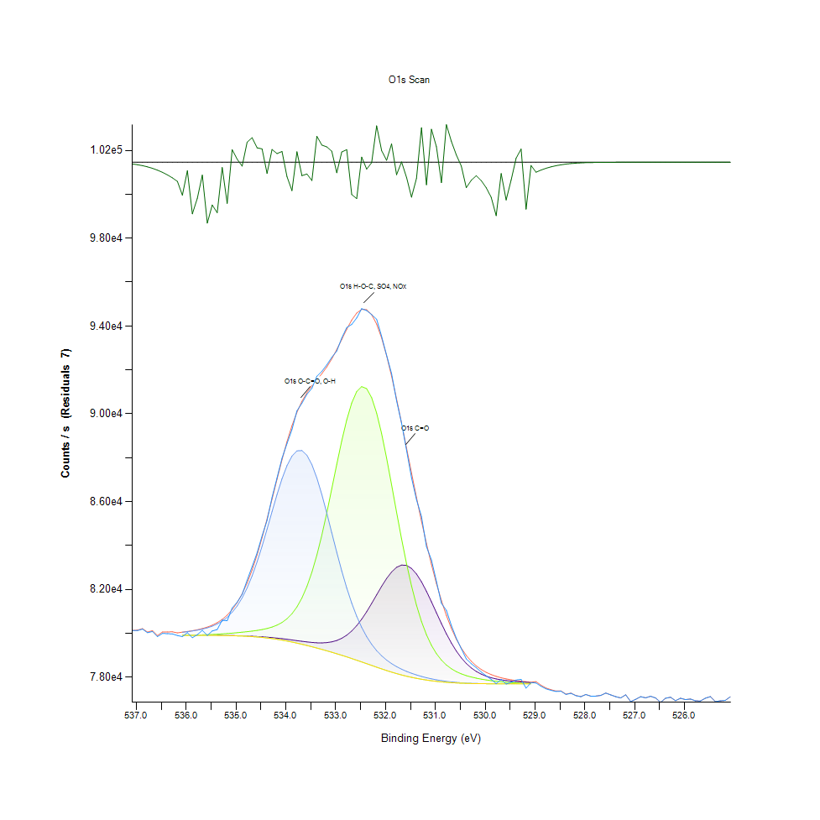
535.18 | 80572.5 | 79899.6 | 79991.5 | 80730.4 | 79896.9 | 80827.7 | -255.15 | 535.1 | 0.2071732028 | 0.16965689499 | 0.17478061128 | 0.21597662827 | 0.16950636144 | 0.22140141167 | -4.2992244734
535.08 | 81156.3 | 79895.7 | 80009.4 | 80956.3 | 79891.7 | 81078 | 78.2802 | 535 | 0.23972190319 | 0.16943945763 | 0.17577859301 | 0.22857126928 | 0.16921644495 | 0.23535643001 | -4.2806346829
534.98 | 81417.4 | 79890.8 | 80029.2 | 81247.5 | 79884.9 | 81397.8 | 19.6164 | 534.9 | 0.25427905576 | 0.1691662671 | 0.17688250577 | 0.24480659225 | 0.1688373234 | 0.25318629364 | -4.2839053757
534.88 | 81775.4 | 79884.6 | 80051 | 81616 | 79876.2 | 81799.3 | -23.9102 | 534.8 | 0.27423869047 | 0.16882059745 | 0.17809792487 | 0.26535163524 | 0.16835227083 | 0.27557119122 | -4.2863321216
534.78 | 82417.5 | 79876.7 | 80075 | 82071.1 | 79865 | 82292.8 | 124.622 | 534.7 | 0.31003780065 | 0.16838014741 | 0.17943600094 | 0.29072490271 | 0.16772783533 | 0.3030853804 | -4.2780509807
534.68 | 83037.6 | 79867.1 | 80102.1 | 82618.1 | 79851.2 | 82884.9 | 152.697 | 534.6 | 0.3446103411 | 0.16784491698 | 0.18094691183 | 0.32122188646 | 0.16695844159 | 0.3360968321 | -4.2764857105
534.58 | 83665.5 | 79855.5 | 80133.6 | 83255.2 | 79834.3 | 83575.6 | 89.9418 | 534.5 | 0.37961775627 | 0.16719818022 | 0.18270313667 | 0.3567422308 | 0.16601621302 | 0.37460554633 | -4.2799845118
534.48 | 84439.8 | 79841.5 | 80171.9 | 83971.4 | 79814 | 84356.7 | 83.0775 | 534.4 | 0.42278743547 | 0.16641763584 | 0.18483848307 | 0.39667265084 | 0.16488442368 | 0.41815434707 | -4.2803672183
534.38 | 85141.8 | 79824.8 | 80220.7 | 84745.1 | 79789.8 | 85210.9 | -69.055 | 534.3 | 0.4619261605 | 0.16548655791 | 0.18755923774 | 0.43980887813 | 0.16353519698 | 0.46577870452 | -4.2888490873
534.28 | 86190.9 | 79805.2 | 80285.2 | 85543.7 | 79761.5 | 86111.2 | 79.6178 | 534.2 | 0.5204168107 | 0.16439379579 | 0.19115531718 | 0.48433335935 | 0.16195738228 | 0.51597328308 | -4.2805601075
534.18 | 87077.3 | 79782.6 | 80373.1 | 86325.1 | 79728.7 | 87023.5 | 53.8517 | 534.1 | 0.5698364202 | 0.16313377416 | 0.19605602078 | 0.52789888605 | 0.16012867832 | 0.56683689968 | -4.2819966492
534.08 | 87976.6 | 79757.1 | 80494.7 | 87040.7 | 79691.5 | 87909.5 | 67.177 | 534 | 0.61997524559 | 0.16171206833 | 0.2028356062 | 0.56779585419 | 0.15805466041 | 0.61623420791 | -4.2812537215
533.98 | 88642.8 | 79729 | 80662.8 | 87640 | 79650 | 88731.7 | -88.9101 | 533.9 | 0.65711800716 | 0.16014540427 | 0.21220771401 | 0.60120872872 | 0.15574090387 | 0.66207446393 | -4.2899560721
533.88 | 89283 | 79698.8 | 80892.9 | 88076.2 | 79604.4 | 89459.2 | -176.245 | 533.8 | 0.69281118632 | 0.15846165855 | 0.22503651833 | 0.62552826128 | 0.15319855934 | 0.70263489479 | -4.2948252696
533.78 | 90138.4 | 79667.8 | 81203 | 88312.4 | 79555.1 | 90073 | 65.4165 | 533.7 | 0.74050244756 | 0.15673331029 | 0.24232557621 | 0.63869715993 | 0.15044992808 | 0.73685619027 | -4.281351875
533.68 | 90486.3 | 79637.3 | 81611.3 | 88326.3 | 79502.7 | 90569.4 | -83.1334 | 533.6 | 0.75989897526 | 0.15503283862 | 0.26508959534 | 0.63947212899 | 0.14752846199 | 0.76453206365 | -4.2896340027
533.58 | 90888.8 | 79609.1 | 82134.8 | 88112.6 | 79447.5 | 90961.4 | -72.6479 | 533.5 | 0.78233962601 | 0.15346059924 | 0.29427637961 | 0.62755767665 | 0.14445088703 | 0.78638730612 | -4.2890494029
533.48 | 91163.2 | 79585.3 | 82786 | 87684.4 | 79389.7 | 91276.4 | -113.191 | 533.4 | 0.79763829574 | 0.1521336738 | 0.33058284363 | 0.60368416945 | 0.14122835383 | 0.80394955453 | -4.2913098092
533.38 | 91713.5 | 79569.4 | 83570.4 | 87071.8 | 79329.7 | 91552.2 | 161.304 | 533.3 | 0.82831926495 | 0.1512471984 | 0.37431562984 | 0.56952977777 | 0.13788316366 | 0.8193262787 | -4.2760058429
533.28 | 91935.2 | 79565.1 | 84482 | 86316.8 | 79267.8 | 91828.4 | 106.776 | 533.2 | 0.84067974264 | 0.15100745977 | 0.42514021922 | 0.52743613474 | 0.13443204246 | 0.83472530413 | -4.2790459518
533.18 | 92234.4 | 79577.2 | 85500.9 | 85468.7 | 79203.8 | 92139.1 | 95.2962 | 533.1 | 0.85736109098 | 0.15168207313 | 0.48194712369 | 0.48015187163 | 0.13086383961 | 0.85204781392 | -4.279685987
533.08 | 92573.6 | 79611.6 | 86591.4 | 84577.6 | 79137.9 | 92504.9 | 68.6953 | 533 | 0.8762725661 | 0.15359998216 | 0.54274595511 | 0.43047022223 | 0.12718970573 | 0.87244232335 | -4.2811690715
532.98 | 92862.6 | 79674.9 | 87702.7 | 83690.1 | 79069.9 | 92927.8 | -65.2321 | 532.9 | 0.8923852321 | 0.15712915779 | 0.60470445245 | 0.38098928424 | 0.1233984902 | 0.89602033876 | -4.2886359485
532.88 | 93453.7 | 79774 | 88770.9 | 82844 | 78999.6 | 93389.6 | 64.1408 | 532.8 | 0.92534093063 | 0.1626542969 | 0.66425998818 | 0.33381652747 | 0.11947904238 | 0.92176715246 | -4.2814229993
532.78 | 93932.2 | 79916 | 89725.1 | 82067.2 | 78927.2 | 93853.9 | 78.2936 | 532.7 | 0.95201882227 | 0.17057124698 | 0.71745966258 | 0.29050746535 | 0.11544251291 | 0.94765334909 | -4.2806339358
532.68 | 94071.8 | 80106.7 | 90494.1 | 81376.4 | 78852.6 | 94272.1 | -200.31 | 532.6 | 0.95980196474 | 0.18120337641 | 0.76033384998 | 0.25199317581 | 0.11128332646 | 0.97096932461 | -4.2961669696
532.58 | 94365.1 | 80349.3 | 91014.7 | 80778.1 | 78775.7 | 94590.5 | -225.355 | 532.5 | 0.97615436938 | 0.19472909535 | 0.78935895006 | 0.21863605446 | 0.10699590772 | 0.9887211338 | -4.2975633077
532.48 | 94792.8 | 80643.5 | 91240.4 | 80271.1 | 78697.3 | 94760.4 | 32.359 | 532.4 | 1 | 0.21113167784 | 0.80194244043 | 0.19036919749 | 0.10262485922 | 0.99819359731 | -4.2831949354
532.38 | 94702.1 | 80984.3 | 91147.2 | 79848.5 | 78617.9 | 94744.3 | -42.188 | 532.3 | 0.99494318752 | 0.23013235802 | 0.79674624502 | 0.16680790803 | 0.09819805756 | 0.99729597128 | -4.2873511669
532.28 | 94518.1 | 81360.1 | 90736.6 | 79499.6 | 78537.9 | 94520.6 | -2.53484 | 532.2 | 0.98468460432 | 0.25108439915 | 0.7738539936 | 0.14735562717 | 0.093737803994 | 0.98482398724 | -4.2851403776
532.18 | 94312.5 | 81753.6 | 90036.5 | 79213 | 78458.3 | 94086.3 | 226.146 | 532.1 | 0.97322175266 | 0.27302327137 | 0.73482119959 | 0.13137676877 | 0.089299851697 | 0.9606103857 | -4.2723906959
532.08 | 93527.8 | 82142.2 | 89096.8 | 78977.5 | 78380.6 | 93455.3 | 72.4344 | 532 | 0.9294722405 | 0.29468895307 | 0.68242994614 | 0.11824689734 | 0.084967830421 | 0.9254301357 | -4.2809606048
531.98 | 92666 | 82499 | 87982.5 | 78782.8 | 78305.3 | 92653.6 | 12.3291 | 531.9 | 0.88142415896 | 0.31458168397 | 0.62030418929 | 0.10739175522 | 0.080769616753 | 0.88073281966 | -4.2843116658
531.88 | 91829.7 | 82796 | 86766.1 | 78620.4 | 78233.6 | 91715.3 | 114.392 | 531.8 | 0.83479778325 | 0.33114037533 | 0.55248603383 | 0.098337440483 | 0.076772114495 | 0.82841962066 | -4.2786213356
531.78 | 90600.1 | 83007.2 | 85519.2 | 78483.6 | 78166.3 | 90677.4 | -77.2392 | 531.7 | 0.76624368595 | 0.34291544474 | 0.4829674067 | 0.090710406887 | 0.073019926183 | 0.77055340596 | -4.2893053824
531.68 | 89577.6 | 83111.5 | 84304.8 | 78366.9 | 78103.9 | 89575.4 | 2.24674 | 531.6 | 0.70923607007 | 0.34873050033 | 0.41526075757 | 0.084204011998 | 0.069540928402 | 0.7091134131 | -4.2848737893
531.58 | 88348 | 83095.9 | 83173.1 | 78266.4 | 78046.8 | 88441.7 | -93.6913 | 531.5 | 0.64068197277 | 0.34786075088 | 0.35216489557 | 0.078600818457 | 0.066357422419 | 0.64590604476 | -4.2902226391
531.48 | 87087.9 | 82957 | 82158.4 | 78179.2 | 77995.2 | 87304.3 | -216.427 | 531.4 | 0.5704274038 | 0.34011663563 | 0.29559215441 | 0.07373914207 | 0.06348055887 | 0.58249238969 | -4.2970655434
531.38 | 86087.1 | 82701.7 | 81279 | 78102.8 | 77948.6 | 86186.3 | -99.2276 | 531.3 | 0.51462963169 | 0.32588285144 | 0.2465628171 | 0.069479599915 | 0.060882461168 | 0.52016034612 | -4.2905313054
531.28 | 85322.6 | 82347 | 80540.2 | 78036 | 77907.4 | 85108.3 | 214.311 | 531.2 | 0.47200633356 | 0.30610720219 | 0.20537237542 | 0.065755288188 | 0.058585430582 | 0.46005842932 | -4.2730505347
531.18 | 83947.5 | 81915.9 | 79935.8 | 77977.5 | 77871.1 | 84087.1 | -139.599 | 531.1 | 0.39534015009 | 0.28207201079 | 0.17167515973 | 0.062493727768 | 0.056561590526 | 0.40312329256 | -4.2927821389
531.08 | 83341.9 | 81436.5 | 79452.6 | 77926.3 | 77839.3 | 83136.9 | 204.964 | 531 | 0.3615760306 | 0.2553439413 | 0.1447352282 | 0.059639165487 | 0.054788639734 | 0.35014663084 | -4.2735716595
530.98 | 82366.2 | 80937.5 | 79074 | 77882.3 | 77812 | 82269.7 | 96.5413 | 530.9 | 0.30717766305 | 0.22752310969 | 0.1236270782 | 0.057186026026 | 0.053266578205 | 0.30179748219 | -4.2796165687
530.88 | 81366.9 | 80445.1 | 78781.5 | 77844.8 | 77789 | 81493.3 | -126.432 | 530.8 | 0.2514635207 | 0.20007024899 | 0.1073192761 | 0.055095282167 | 0.051984255305 | 0.25851072133 | -4.2920480369
530.78 | 81045.4 | 79980.7 | 78557.2 | 77812.9 | 77769.4 | 80812 | 233.374 | 530.7 | 0.23353887669 | 0.17417847705 | 0.094813840167 | 0.053316756058 | 0.050891493181 | 0.22052608691 | -4.271987712
530.68 | 80355.7 | 79560.3 | 78386.1 | 77786.5 | 77753.3 | 80226.3 | 129.37 | 530.6 | 0.19508591563 | 0.15073984456 | 0.085274472854 | 0.051844872381 | 0.049993867151 | 0.18787145549 | -4.2777862646
530.58 | 79778.8 | 79193.2 | 78255 | 77765 | 77740.2 | 79732.9 | 45.9645 | 530.5 | 0.16292191211 | 0.13027285601 | 0.077965232323 | 0.050646179235 | 0.04926350063 | 0.16036284163 | -4.2824363856
530.48 | 79301.2 | 78882.7 | 78153.5 | 77747.7 | 77729.6 | 79324.7 | -23.478 | 530.4 | 0.13629419833 | 0.11296149686 | 0.072306285612 | 0.049681649402 | 0.048672517033 | 0.13760439781 | -4.2863080251
530.38 | 78835.7 | 78627.8 | 78073.7 | 77734.2 | 77721.3 | 78993.2 | -157.418 | 530.3 | 0.11034109789 | 0.098750013938 | 0.067857182681 | 0.048928981613 | 0.048209765725 | 0.1191222221 | -4.2937756046
530.28 | 78616 | 78423.8 | 78009.7 | 77723.9 | 77714.9 | 78727.6 | -111.581 | 530.2 | 0.098092126537 | 0.087376367346 | 0.064288979829 | 0.048354723966 | 0.04785294544 | 0.10431418026 | -4.2912200466
530.18 | 78434.2 | 78264.1 | 77957.2 | 77716.2 | 77710.1 | 78517.3 | -83.1161 | 530.1 | 0.08795620031 | 0.078472586167 | 0.061361938426 | 0.04792542456 | 0.047585330226 | 0.092589288701 | -4.2896330382
530.08 | 78238.3 | 78141 | 77913.2 | 77710.5 | 77706.4 | 78351.9 | -113.541 | 530 | 0.077034154392 | 0.071609370993 | 0.058908798965 | 0.047607631494 | 0.047379043499 | 0.083367714455 | -4.2913293228
529.98 | 78064.2 | 78047.4 | 77875.8 | 77706.3 | 77703.7 | 78222.1 | -157.924 | 529.9 | 0.06732752757 | 0.066390874321 | 0.056823630423 | 0.047373468182 | 0.047228509941 | 0.076130953045 | -4.2938038157
529.88 | 77902.9 | 77976.7 | 77843.8 | 77703.5 | 77701.9 | 78120.2 | -217.296 | 529.8 | 0.058334541319 | 0.062449125233 | 0.055039528997 | 0.047217359307 | 0.047128154236 | 0.070449705066 | -4.2971139929
529.78 | 77708.5 | 77923.1 | 77816.2 | 77701.5 | 77700.5 | 78039.7 | -331.25 | 529.7 | 0.047496125155 | 0.059460755344 | 0.053500741517 | 0.047105852968 | 0.047050099798 | 0.065961574916 | -4.3034672896
529.68 | 77905.9 | 77882.3 | 77792.6 | 77700.4 | 77699.8 | 77975.7 | -69.793 | 529.6 | 0.058501800827 | 0.057186026026 | 0.052184966715 | 0.047044524481 | 0.047011072579 | 0.062393372063 | -4.2888902332
529.58 | 77690 | 77850.5 | 77772.5 | 77699.6 | 77699.3 | 77924.1 | -234.041 | 529.5 | 0.046464691518 | 0.055413075233 | 0.051064328007 | 0.046999921946 | 0.046983195995 | 0.059516508514 | -4.2980475798
529.48 | 77771.7 | 77825.1 | 77755.5 | 77699 | 77698.8 | 77882 | -110.308 | 529.4 | 0.051019725471 | 0.053996944726 | 0.050116524124 | 0.046966470044 | 0.04695531941 | 0.057169300075 | -4.2911490728
529.38 | 77872.6 | 77804 | 77741.2 | 77698.3 | 77698.2 | 77847.1 | 25.497 | 529.3 | 0.056645220281 | 0.052820552848 | 0.0493192538 | 0.046927442825 | 0.046921867508 | 0.055223514457 | -4.2835775136
529.28 | 77900.8 | 77786.6 | 77729.8 | 77698 | 77697.9 | 77818.6 | 82.2923 | 529.2 | 0.058217459663 | 0.051850447698 | 0.048683667667 | 0.046910716874 | 0.046905141557 | 0.053634549124 | -4.2804109956
529.18 | 77503.8 | 77771.6 | 77720.7 | 77697.7 | 77697.6 | 77794.7 | -290.94 | 529.1 | 0.036083451344 | 0.051014150154 | 0.048176313823 | 0.046893990923 | 0.046888415606 | 0.052302048371 | -4.3012198794
529.08 | 77754.9 | 77758.5 | 77713.7 | 77697.3 | 77697.3 | 77774.9 | -19.9804 | 529 | 0.050083072223 | 0.050283783633 | 0.047786041636 | 0.046871689656 | 0.046871689656 | 0.051198135614 | -4.2861130228
528.98 | 77738.7 | 0 | 0 | 0 | 0 | 77800.1 | -61.3903 | 528.9 | 0.049179870876 |  |  |  |  | 0.052603115487 | -4.288421756
528.88 | 77588.3 | 0 | 0 | 0 | 0 | 77636.4 | -48.0298 | 528.8 | 0.040794594173 |  |  |  |  | 0.043476321629 | -4.2876768658
528.78 | 77471.1 | 0 | 0 | 0 | 0 | 77508.2 | -37.0846 | 528.7 | 0.034260322699 |  |  |  |  | 0.03632876529 | -4.2870666362
528.68 | 77404.6 | 0 | 0 | 0 | 0 | 77432.8 | -28.2083 | 528.6 | 0.030552736923 |  |  |  |  | 0.032124976305 | -4.2865717543
528.58 | 77349.9 | 0 | 0 | 0 | 0 | 77371 | -21.1011 | 528.5 | 0.027503038548 |  |  |  |  | 0.028679430426 | -4.2861755054
528.48 | 77362.5 | 0 | 0 | 0 | 0 | 77378 | -15.4974 | 528.4 | 0.028205528484 |  |  |  |  | 0.029069702613 | -4.2858630814
528.38 | 77217.7 | 0 | 0 | 0 | 0 | 77228.9 | -11.1573 | 528.3 | 0.020132469531 |  |  |  |  | 0.02075690503 | -4.285621107
528.28 | 77268.4 | 0 | 0 | 0 | 0 | 77276.2 | -7.86302 | 528.2 | 0.022959155228 |  |  |  |  | 0.023394029951 | -4.2854374405
528.18 | 77161.1 | 0 | 0 | 0 | 0 | 77166.5 | -5.41727 | 528.1 | 0.016976840133 |  |  |  |  | 0.017277907249 | -4.2853010822
528.08 | 77115.1 | 0 | 0 | 0 | 0 | 77118.7 | -3.6444 | 528 | 0.014412194333 |  |  |  |  | 0.014612905744 | -4.285202239
527.98 | 77213.6 | 0 | 0 | 0 | 0 | 77216 | -2.39156 | 527.9 | 0.019903881536 |  |  |  |  | 0.020037689143 | -4.2851323892
527.88 | 77138 | 0 | 0 | 0 | 0 | 77139.5 | -1.52951 | 527.8 | 0.015688941916 |  |  |  |  | 0.015772571671 | -4.2850843272
527.78 | 77140.4 | 0 | 0 | 0 | 0 | 77141.4 | -0.952575 | 527.7 | 0.015822749523 |  |  |  |  | 0.015878502693 | -4.2850521613
527.68 | 77170.7 | 0 | 0 | 0 | 0 | 77171.3 | -0.577333 | 527.6 | 0.017512070561 |  |  |  |  | 0.017545522463 | -4.2850312403
527.58 | 77278.2 | 0 | 0 | 0 | 0 | 77278.6 | -0.340313 | 527.5 | 0.02350553629 |  |  |  |  | 0.023527837558 | -4.2850180257
527.48 | 77195.2 | 0 | 0 | 0 | 0 | 77195.4 | -0.195 | 527.4 | 0.018878023216 |  |  |  |  | 0.01888917385 | -4.2850099241
527.38 | 77113.9 | 0 | 0 | 0 | 0 | 77114 | -0.108569 | 527.3 | 0.01434529053 |  |  |  |  | 0.014350865847 | -4.2850051053
527.28 | 77057.8 | 0 | 0 | 0 | 0 | 77057.8 | -0.0587125 | 527.2 | 0.011217537717 |  |  |  |  | 0.011217537717 | -4.2850023256
527.18 | 77200.8 | 0 | 0 | 0 | 0 | 77200.8 | -0.0308294 | 527.1 | 0.019190240965 |  |  |  |  | 0.019190240965 | -4.285000771
527.08 | 76890.7 | 0 | 0 | 0 | 0 | 76890.7 | -0.015714 | 527 | 0.0019011830823 |  |  |  |  | 0.0019011830823 | -4.2849999283
526.98 | 76993.1 | 0 | 0 | 0 | 0 | 76993.1 | -0.00777302 | 526.9 | 0.007610307646 |  |  |  |  | 0.007610307646 | -4.2849994856
526.88 | 77113.5 | 0 | 0 | 0 | 0 | 77113.5 | -0.00373061 | 526.8 | 0.014322989262 |  |  |  |  | 0.014322989262 | -4.2849992602
526.78 | 77062.5 | 0 | 0 | 0 | 0 | 77062.5 | -0.00173691 | 526.7 | 0.011479577614 |  |  |  |  | 0.011479577614 | -4.284999149
526.68 | 77134.5 | 0 | 0 | 0 | 0 | 77134.5 | -0.000784347 | 526.6 | 0.015493805823 |  |  |  |  | 0.015493805823 | -4.2849990959
526.58 | 77054.4 | 0 | 0 | 0 | 0 | 77054.4 | -0.000343487 | 526.5 | 0.01102797694 |  |  |  |  | 0.01102797694 | -4.2849990713
526.48 | 76856.6 | 0 | 0 | 0 | 0 | 76856.6 | -0.000145857 | 526.4 | 0 |  |  |  |  | 0 | -4.2849990603
526.38 | 77042.8 | 0 | 0 | 0 | 0 | 77042.8 | -6.00E-05 | 526.3 | 0.010381240174 |  |  |  |  | 0.010381240174 | -4.2849990555
526.28 | 77088.3 | 0 | 0 | 0 | 0 | 77088.3 | -2.40E-05 | 526.2 | 0.012918009389 |  |  |  |  | 0.012918009389 | -4.2849990535
526.18 | 76931.3 | 0 | 0 | 0 | 0 | 76931.3 | -9.27E-06 | 526.1 | 0.0041647617667 |  |  |  |  | 0.0041647617667 | -4.2849990527
526.08 | 77041.9 | 0 | 0 | 0 | 0 | 77041.9 | -3.48E-06 | 526 | 0.010331062321 |  |  |  |  | 0.010331062321 | -4.2849990524
525.98 | 76980.6 | 0 | 0 | 0 | 0 | 76980.6 | -1.26E-06 | 525.9 | 0.0069133930264 |  |  |  |  | 0.0069133930264 | -4.2849990523
525.88 | 77008.1 | 0 | 0 | 0 | 0 | 77008.1 | -4.45E-07 | 525.8 | 0.0084466051895 |  |  |  |  | 0.0084466051895 | -4.2849990522
525.78 | 76922.3 | 0 | 0 | 0 | 0 | 76922.3 | -1.52E-07 | 525.7 | 0.0036629832406 |  |  |  |  | 0.0036629832406 | -4.2849990522
525.68 | 76919.3 | 0 | 0 | 0 | 0 | 76919.3 | -5.02E-08 | 525.6 | 0.0034957237319 |  |  |  |  | 0.0034957237319 | -4.2849990522
525.58 | 77045.9 | 0 | 0 | 0 | 0 | 77045.9 | -1.61E-08 | 525.5 | 0.010554074999 |  |  |  |  | 0.010554074999 | -4.2849990522
525.48 | 77115.8 | 0 | 0 | 0 | 0 | 77115.8 | -5.00E-09 | 525.4 | 0.014451221552 |  |  |  |  | 0.014451221552 | -4.2849990522
525.38 | 76886.9 | 0 | 0 | 0 | 0 | 76886.9 | -1.50E-09 | 525.3 | 0.0016893210379 |  |  |  |  | 0.0016893210379 | -4.2849990522
525.28 | 76926.8 | 0 | 0 | 0 | 0 | 76926.8 | -4.36E-10 | 525.2 | 0.0039138725037 |  |  |  |  | 0.0039138725037 | -4.2849990522
525.18 | 76944.3 | 0 | 0 | 0 | 0 | 76944.3 | -1.23E-10 | 525.1 | 0.0048895529711 |  |  |  |  | 0.0048895529711 | -4.2849990522
525.08 | 77110.5 | 0 | 0 | 0 | 0 | 77110.5 | -2.77E-11 | 525 | 0.014155729753 |  |  |  |  | 0.014155729753 | -4.2849990522

C1s Scan
Normalisation | Self |  |  | Acquisition Parameters :
Baseline Subtraction | Performed
Maximum Intensity | 60587.9 |  |  | Parameter
Minimum Intensity | 46390.3 |  |  | Total acquisition time | 1 mins 53.3 secs
Calibration | C1s C-C |  |  | Number of Scans | 15
Binding Energy | 284.88 |  |  | Number of Energy Steps | 151

Unprocessed Data |  |  |  |  |  |  |  |  | Processed Data

Binding Energy | Raw Data | C1s C-C | C1s C-O-C | C1s C=O | C1s O=C-O | Backgnd. | Envelope | Residuals | Binding Energy (calibrated) | Raw Data (Normalised) | C1s C-C (Normalised) | C1s C-O-C (Normalised) | C1s C=O (Normalised) | C1s O=C-O (Normalised) | Backgnd. (Normalised) | Envelope (Normalised) | Residuals (Normalised)
eV | Counts / s | Counts / s | Counts / s | Counts / s | Counts / s | Counts / s | Counts / s | Counts / s (Residuals 9) | eV | Counts / s | Counts / s | Counts / s | Counts / s | Counts / s | Counts / s | Counts / s | Counts / s (Residuals 9)
294.08 | 46390.3 | 0 | 0 | 0 | 0 | 0 | 46390.3 | -1.89E-06 | 294 | 0 |  |  |  |  |  | 0 | -3.2674747846
293.98 | 46480.6 | 0 | 0 | 0 | 0 | 0 | 46480.6 | -5.44E-06 | 293.9 | 0.006360229898 |  |  |  |  |  | 0.006360229898 | -3.2674747849
293.88 | 46509.2 | 0 | 0 | 0 | 0 | 0 | 46509.2 | -1.51E-05 | 293.8 | 0.0083746548712 |  |  |  |  |  | 0.0083746548712 | -3.2674747855
293.78 | 46480.1 | 0 | 0 | 0 | 0 | 0 | 46480.1 | -4.07E-05 | 293.7 | 0.0063250126782 |  |  |  |  |  | 0.0063250126782 | -3.2674747873
293.68 | 46493.9 | 0 | 0 | 0 | 0 | 0 | 46493.9 | -0.000105794 | 293.6 | 0.007297007945 |  |  |  |  |  | 0.007297007945 | -3.2674747919
293.58 | 46475.3 | 0 | 0 | 0 | 0 | 0 | 46475.3 | -0.000265646 | 293.5 | 0.005986927368 |  |  |  |  |  | 0.005986927368 | -3.2674748032
293.48 | 46429.5 | 0 | 0 | 0 | 0 | 0 | 46429.5 | -0.000644647 | 293.4 | 0.0027610300332 |  |  |  |  |  | 0.0027610300332 | -3.2674748299
293.38 | 46495.1 | 0 | 0 | 0 | 0 | 0 | 46495.1 | -0.00151209 | 293.3 | 0.0073815292726 |  |  |  |  |  | 0.0073815292726 | -3.267474891
293.28 | 46474.1 | 0 | 0 | 0 | 0 | 0 | 46474.1 | -0.00342876 | 293.2 | 0.0059024060405 |  |  |  |  |  | 0.0059024060405 | -3.267475026
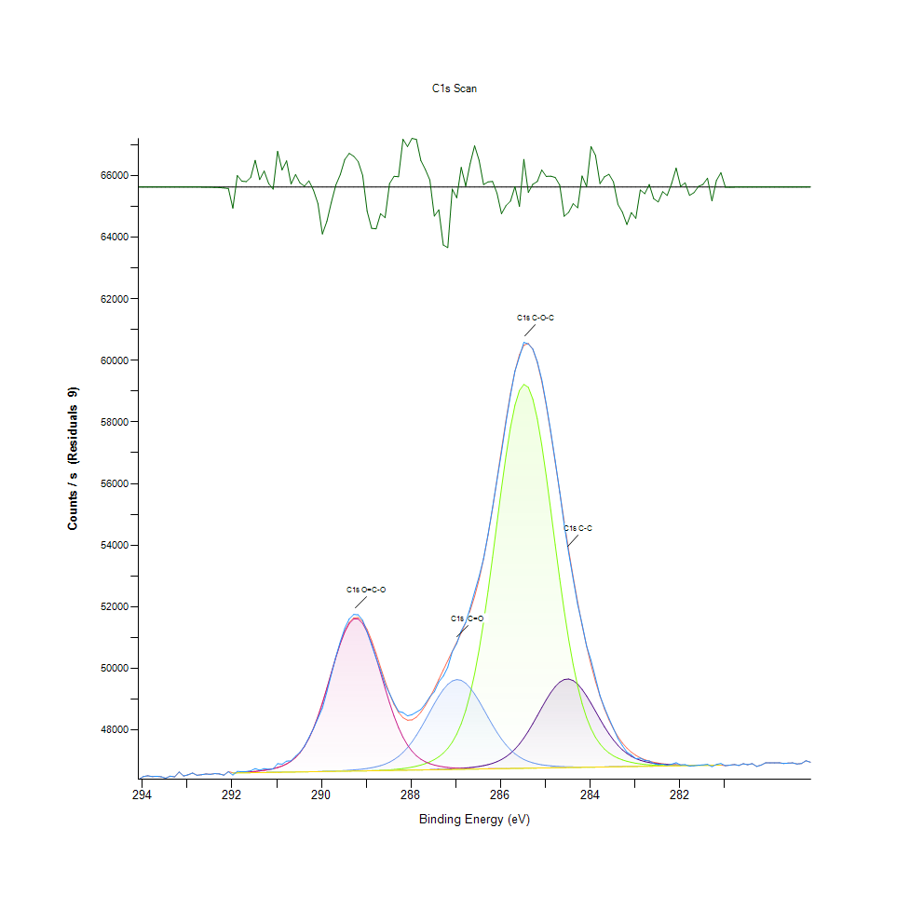
293.18 | 46632.3 | 0 | 0 | 0 | 0 | 0 | 46632.3 | -0.00751757 | 293.1 | 0.017045134389 |  |  |  |  |  | 0.017045134389 | -3.267475314
293.08 | 46501.2 | 0 | 0 | 0 | 0 | 0 | 46501.2 | -0.0159399 | 293 | 0.0078111793543 |  |  |  |  |  | 0.0078111793543 | -3.2674759072
292.98 | 46538.9 | 0 | 0 | 0 | 0 | 0 | 46538.9 | -0.0326932 | 292.9 | 0.010466557728 |  |  |  |  |  | 0.010466557728 | -3.2674770872
292.88 | 46597.3 | 0 | 0 | 0 | 0 | 0 | 46597.4 | -0.0648792 | 292.8 | 0.014579929002 |  |  |  |  |  | 0.014586972446 | -3.2674793542
292.78 | 46524.1 | 0 | 0 | 0 | 0 | 0 | 46524.3 | -0.12461 | 292.7 | 0.0094241280216 |  |  |  |  |  | 0.0094382149096 | -3.2674835613
292.68 | 46543.4 | 0 | 0 | 0 | 0 | 0 | 46543.7 | -0.231713 | 292.6 | 0.010783512706 |  |  |  |  |  | 0.010804643038 | -3.267491105
292.58 | 46566.8 | 0 | 0 | 0 | 0 | 0 | 46567.2 | -0.417308 | 292.5 | 0.012431678594 |  |  |  |  |  | 0.012459852369 | -3.2675041773
292.48 | 46555.5 | 0 | 0 | 0 | 0 | 0 | 46556.3 | -0.72823 | 292.4 | 0.011635769426 |  |  |  |  |  | 0.011692116978 | -3.2675260769
292.38 | 46579.5 | 0 | 0 | 0 | 0 | 0 | 46580.8 | -1.232 | 292.3 | 0.013326195977 |  |  |  |  |  | 0.013417760748 | -3.2675615597
292.28 | 46567.8 | 0 | 0 | 0 | 0 | 0 | 46569.8 | -2.02183 | 292.2 | 0.012502113033 |  |  |  |  |  | 0.012642981912 | -3.2676171909
292.18 | 46527.5 | 0 | 0 | 0 | 0 | 0 | 46530.8 | -3.22095 | 292.1 | 0.0096636051164 |  |  |  |  |  | 0.0098960387671 | -3.2677016503
292.08 | 46639 | 0 | 0 | 0 | 0 | 0 | 46644 | -4.9854 | 292 | 0.017517045134 |  |  |  |  |  | 0.017869217333 | -3.2678259283
291.98 | 46531.6 | 46597.6 | 46597.6 | 46597.6 | 46605.1 | 46597.6 | 46605.1 | -73.4591 | 291.9 | 0.0099523863188 | 0.014601059334 | 0.014601059334 | 0.014601059334 | 0.015129317631 | 0.014601059334 | 0.015129317631 | -3.272648835
291.88 | 46651.1 | 46599.9 | 46599.9 | 46599.9 | 46610.9 | 46599.9 | 46610.9 | 40.1875 | 291.8 | 0.018369301854 | 0.014763058545 | 0.014763058545 | 0.014763058545 | 0.015537837381 | 0.014763058545 | 0.015537837381 | -3.2646442004
291.78 | 46638.6 | 46602.3 | 46602.3 | 46602.3 | 46618 | 46602.3 | 46618 | 20.5447 | 291.7 | 0.017488871359 | 0.0149321012 | 0.0149321012 | 0.0149321012 | 0.016037921902 | 0.0149321012 | 0.016037921902 | -3.26602773
291.68 | 46645.6 | 46604.7 | 46604.7 | 46604.7 | 46626.6 | 46604.7 | 46626.6 | 18.9448 | 291.6 | 0.017981912436 | 0.015101143855 | 0.015101143855 | 0.015101143855 | 0.016643658083 | 0.015101143855 | 0.016643658083 | -3.2661404181
291.58 | 46670.5 | 46607 | 46607 | 46607 | 46637.1 | 46607 | 46637.1 | 33.3601 | 291.5 | 0.019735729983 | 0.015263143066 | 0.015263143066 | 0.015263143066 | 0.017383219699 | 0.015263143066 | 0.017383219699 | -3.2651250845
291.48 | 46742.7 | 46609.4 | 46609.4 | 46609.4 | 46649.8 | 46609.4 | 46649.8 | 92.9145 | 291.4 | 0.024821096523 | 0.015432185722 | 0.015432185722 | 0.015432185722 | 0.018277737082 | 0.015432185722 | 0.018277737082 | -3.2609304037
291.38 | 46691.1 | 46611.8 | 46611.8 | 46611.8 | 46665.3 | 46611.8 | 46665.3 | 25.8552 | 291.3 | 0.021186679439 | 0.015601228377 | 0.015601228377 | 0.015601228377 | 0.019369470896 | 0.015601228377 | 0.019369470896 | -3.2656536879
291.28 | 46740 | 46614.1 | 46614.1 | 46614.1 | 46684.2 | 46614.1 | 46684.2 | 55.7873 | 291.2 | 0.024630923536 | 0.015763227588 | 0.015763227588 | 0.015763227588 | 0.020700681805 | 0.015763227588 | 0.020700681805 | -3.2635454373
291.18 | 46720 | 46616.5 | 46616.5 | 46616.5 | 46707.7 | 46616.5 | 46707.8 | 12.2332 | 291.1 | 0.023222234744 | 0.015932270243 | 0.015932270243 | 0.015932270243 | 0.022355891137 | 0.015932270243 | 0.02236293458 | -3.2666131459
291.08 | 46730.3 | 46618.9 | 46618.9 | 46618.9 | 46737.5 | 46618.9 | 46737.5 | -7.17029 | 291 | 0.023947709472 | 0.016101312898 | 0.016101312898 | 0.016101312898 | 0.024454837437 | 0.016101312898 | 0.024454837437 | -3.2679798198
290.98 | 46899.8 | 46621.2 | 46621.2 | 46621.3 | 46775.7 | 46621.2 | 46775.7 | 124.087 | 290.9 | 0.035886346988 | 0.016263312109 | 0.016263312109 | 0.016270355553 | 0.027145433031 | 0.016263312109 | 0.027145433031 | -3.2587347862
290.88 | 46885.4 | 46623.6 | 46623.6 | 46623.7 | 46825.9 | 46623.6 | 46825.9 | 59.488 | 290.8 | 0.034872091058 | 0.016432354764 | 0.016432354764 | 0.016439398208 | 0.0306812419 | 0.016432354764 | 0.0306812419 | -3.2632847805
290.78 | 46983.9 | 46626 | 46626 | 46626.1 | 46892.6 | 46626 | 46892.7 | 91.1712 | 290.7 | 0.041809883361 | 0.016601397419 | 0.016601397419 | 0.016608440863 | 0.035379219023 | 0.016601397419 | 0.035386262467 | -3.2610531921
290.68 | 46992.4 | 46628.3 | 46628.3 | 46628.6 | 46981.9 | 46628.3 | 46982.1 | 10.2872 | 290.6 | 0.042408576097 | 0.01676339663 | 0.01676339663 | 0.016784526962 | 0.041669014481 | 0.01676339663 | 0.041683101369 | -3.2667502113
290.58 | 47145.3 | 46630.7 | 46630.7 | 46631.1 | 47101.3 | 46630.7 | 47101.7 | 43.6431 | 290.5 | 0.053178001916 | 0.016932439286 | 0.016932439286 | 0.016960613061 | 0.050078886572 | 0.016932439286 | 0.050107060348 | -3.2644008072
290.48 | 47273.9 | 46633.1 | 46633.1 | 46633.7 | 47259.1 | 46633.1 | 47259.8 | 14.1059 | 290.4 | 0.062235870851 | 0.017101481941 | 0.017101481941 | 0.017143742604 | 0.061193441145 | 0.017101481941 | 0.061242745253 | -3.2664812433
290.38 | 47468.4 | 46635.4 | 46635.4 | 46636.5 | 47464.2 | 46635.4 | 47465.3 | 3.14888 | 290.3 | 0.075935369358 | 0.017263481152 | 0.017263481152 | 0.017340959035 | 0.075639544712 | 0.017263481152 | 0.075717022595 | -3.2672529949
290.28 | 47747.6 | 46637.8 | 46637.8 | 46639.4 | 47724.5 | 46637.8 | 47726.1 | 21.5008 | 290.2 | 0.095600664901 | 0.017432523807 | 0.017432523807 | 0.01754521891 | 0.093973629346 | 0.017432523807 | 0.094086324449 | -3.2659603877
290.18 | 48037.2 | 46640.2 | 46640.2 | 46642.6 | 48045.4 | 46640.2 | 48047.8 | -10.5417 | 290.1 | 0.11599847862 | 0.017601566462 | 0.017601566462 | 0.017770609117 | 0.11657604102 | 0.017601566462 | 0.11674508368 | -3.2682172832
290.08 | 48374.2 | 46642.5 | 46642.5 | 46646.1 | 48427.6 | 46642.5 | 48431.2 | -56.9778 | 290 | 0.13973488477 | 0.017763565673 | 0.017763565673 | 0.018017129656 | 0.14349608385 | 0.017763565673 | 0.14374964783 | -3.2714879839
289.98 | 48707.6 | 46644.9 | 46644.9 | 46650 | 48866 | 46644.9 | 48871.1 | -163.45 | 289.9 | 0.16321772694 | 0.017932608328 | 0.017932608328 | 0.01829182397 | 0.17437454218 | 0.017932608328 | 0.17473375782 | -3.2789872936
289.88 | 49234.9 | 46647.3 | 46647.3 | 46654.4 | 49347.4 | 46647.3 | 49354.5 | -119.63 | 289.8 | 0.20035780695 | 0.018101650983 | 0.018101650983 | 0.018601735505 | 0.20828168141 | 0.018101650983 | 0.20878176593 | -3.2759008565
289.78 | 49807.5 | 46649.6 | 46649.7 | 46659.4 | 49850.5 | 46649.6 | 49860.3 | -52.8015 | 289.7 | 0.24068856708 | 0.018263650194 | 0.018270693638 | 0.018953907703 | 0.24371724799 | 0.018263650194 | 0.24440750549 | -3.2711938285
289.68 | 50367.1 | 46652 | 46652.1 | 46665.2 | 50346.9 | 46652 | 50360.1 | 6.91953 | 289.6 | 0.2801036795 | 0.018432692849 | 0.018439736293 | 0.019362427453 | 0.27868090381 | 0.018432692849 | 0.27961063842 | -3.2669874113
289.58 | 50864.2 | 46654.4 | 46654.5 | 46671.9 | 50803 | 46654.4 | 50820.6 | 43.6164 | 289.5 | 0.31511663943 | 0.018601735505 | 0.018608778949 | 0.019834338198 | 0.31080605173 | 0.018601735505 | 0.31204569786 | -3.2644026878
289.48 | 51303 | 46656.7 | 46656.9 | 46679.6 | 51183.8 | 46656.7 | 51206.9 | 96.0727 | 289.4 | 0.34602327154 | 0.018763734716 | 0.018777821604 | 0.020376683383 | 0.33762748634 | 0.018763734716 | 0.33925452189 | -3.2607079577
289.38 | 51604.7 | 46659.1 | 46659.5 | 46688.7 | 51457.7 | 46659.1 | 51487.6 | 117.09 | 289.3 | 0.36727334197 | 0.018932777371 | 0.018960951147 | 0.021017636784 | 0.35691947935 | 0.018932777371 | 0.35902546909 | -3.2592276159
289.28 | 51745.8 | 46661.5 | 46662.1 | 46699.4 | 51600.3 | 46661.5 | 51638.9 | 106.897 | 289.2 | 0.3772116414 | 0.019101820026 | 0.01914408069 | 0.021771285288 | 0.36696343044 | 0.019101820026 | 0.36968219981 | -3.2599455542
289.18 | 51736.9 | 46663.8 | 46664.9 | 46712.2 | 51599 | 46663.8 | 51648.4 | 88.524 | 289.1 | 0.37658477489 | 0.019263819237 | 0.019341297121 | 0.022672846115 | 0.36687186567 | 0.019263819237 | 0.37035132698 | -3.2612396461
289.08 | 51557.5 | 46666.2 | 46667.9 | 46727.6 | 51453.9 | 46666.2 | 51517 | 40.5382 | 289 | 0.36394883642 | 0.019432861892 | 0.01955260044 | 0.023757536485 | 0.35665182848 | 0.019432861892 | 0.36109624162 | -3.2646194991
288.98 | 51174.9 | 46668.6 | 46671.4 | 46746.5 | 51178.7 | 46668.6 | 51259.4 | -84.4576 | 288.9 | 0.33700061982 | 0.019601904547 | 0.019799120978 | 0.025088747394 | 0.33726827069 | 0.019601904547 | 0.34295232997 | -3.2734235082
288.88 | 50757.9 | 46670.9 | 46675.3 | 46770.1 | 50797.9 | 46670.9 | 50901.5 | -143.562 | 288.8 | 0.3076294585 | 0.019763903758 | 0.020073815293 | 0.026751000169 | 0.31044683608 | 0.019763903758 | 0.31774384403 | -3.2775864935
...

Au4f Scan
...
Au4f7 Scan A | Au4f5 Scan A | Backgnd. | Envelope | Residuals | Binding Energy (calibrated) | Raw Data (Normalised) | Au4f7 (Normalised) | Au4f5 (Normalised) | Backgnd. (Normalised) | Envelope (Normalised) | Residuals (Normalised)
0 | 0 | 0 | 67638.2 | 0 | 99 | 0.061401912295 |  |  |  | 0.061401912295
0 | 0 | 0 | 67614.6 | 0 | 98.9 | 0.06137294965 |  |  |  | 0.06137294965
0 | 0 | 0 | 67630.8 | 0 | 98.8 | 0.061392830788 |  |  |  | 0.061392830788
0 | 0 | 0 | 67492.8 | 0 | 98.7 | 0.061223472948 |  |  |  | 0.061223472948
0 | 0 | 0 | 67426.2 | 0 | 98.6 | 0.061141739381 |  |  |  | 0.061141739381
0 | 0 | 0 | 67371.2 | 0 | 98.5 | 0.061074241691 |  |  |  | 0.061074241691
0 | 0 | 0 | 67301.4 | 0 | 98.4 | 0.060988580986 |  |  |  | 0.060988580986
0 | 0 | 0 | 66805.2 | 0 | 98.3 | 0.060379629099 |  |  |  | 0.060379629099
0 | 0 | 0 | 66974.9 | 0 | 98.2 | 0.060587890154 |  |  |  | 0.060587890154
0 | 0 | 0 | 66660 | 0 | 98.1 | 0.060201435197 |  |  |  | 0.060201435197
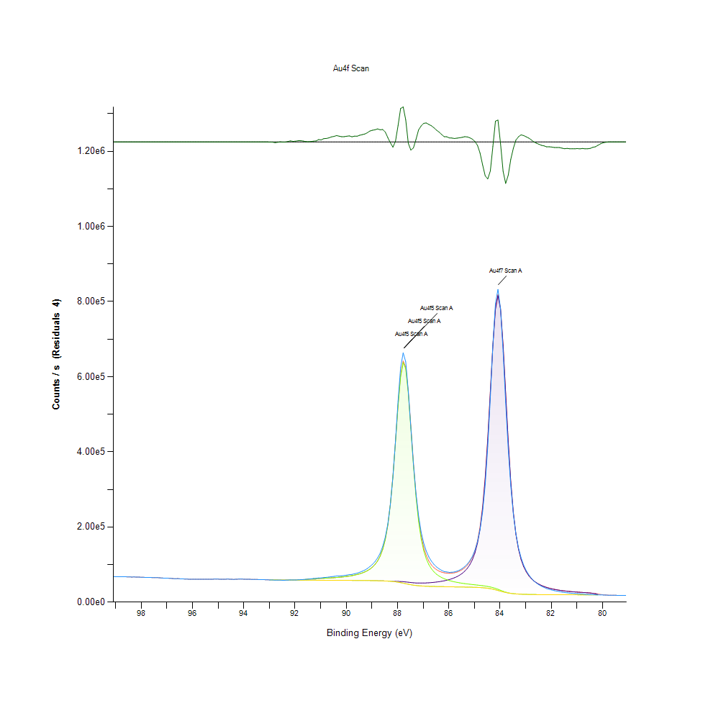
0 | 0 | 0 | 66607.3 | 0 | 98 | 0.060136760138 |  |  |  | 0.060136760138
0 | 0 | 0 | 66249 | 0 | 97.9 | 0.059697043368 |  |  |  | 0.059697043368
0 | 0 | 0 | 65989.2 | 0 | 97.8 | 0.059378208825 |  |  |  | 0.059378208825
0 | 0 | 0 | 65689.8 | 0 | 97.7 | 0.059010775945 |  |  |  | 0.059010775945
0 | 0 | 0 | 65873.6 | 0 | 97.6 | 0.059236340953 |  |  |  | 0.059236340953
0 | 0 | 0 | 65323.6 | 0 | 97.5 | 0.058561364052 |  |  |  | 0.058561364052
0 | 0 | 0 | 65276.5 | 0 | 97.4 | 0.058503561485 |  |  |  | 0.058503561485
0 | 0 | 0 | 65354.2 | 0 | 97.3 | 0.058598917313 |  |  |  | 0.058598917313
0 | 0 | 0 | 64661.6 | 0 | 97.2 | 0.05774893731 |  |  |  | 0.05774893731
0 | 0 | 0 | 64182.6 | 0 | 97.1 | 0.057161093791 |  |  |  | 0.057161093791
0 | 0 | 0 | 63700 | 0 | 97 | 0.056568832242 |  |  |  | 0.056568832242
0 | 0 | 0 | 63632.1 | 0 | 96.9 | 0.056485503276 |  |  |  | 0.056485503276
0 | 0 | 0 | 63404.7 | 0 | 96.8 | 0.056206431008 |  |  |  | 0.056206431008
0 | 0 | 0 | 62787.1 | 0 | 96.7 | 0.05544849331 |  |  |  | 0.05544849331
0 | 0 | 0 | 62257.4 | 0 | 96.6 | 0.054798429194 |  |  |  | 0.054798429194
0 | 0 | 0 | 62690 | 0 | 96.5 | 0.055329329207 |  |  |  | 0.055329329207
0 | 0 | 0 | 62042.2 | 0 | 96.4 | 0.054534329141 |  |  |  | 0.054534329141
0 | 0 | 0 | 61925.8 | 0 | 96.3 | 0.054391479484 |  |  |  | 0.054391479484
0 | 0 | 0 | 61320.7 | 0 | 96.2 | 0.053648882171 |  |  |  | 0.053648882171
0 | 0 | 0 | 61143.2 | 0 | 96.1 | 0.053431048717 |  |  |  | 0.053431048717
0 | 0 | 0 | 60825.7 | 0 | 96 | 0.05304140296 |  |  |  | 0.05304140296
0 | 0 | 0 | 61196.2 | 0 | 95.9 | 0.053496091945 |  |  |  | 0.053496091945
0 | 0 | 0 | 61017.6 | 0 | 95.8 | 0.053276908537 |  |  |  | 0.053276908537
0 | 0 | 0 | 60891 | 0 | 95.7 | 0.053121541127 |  |  |  | 0.053121541127
0 | 0 | 0 | 60864.9 | 0 | 95.6 | 0.053089510405 |  |  |  | 0.053089510405
0 | 0 | 0 | 60981.9 | 0 | 95.5 | 0.0532330964 |  |  |  | 0.0532330964
0 | 0 | 0 | 61183.2 | 0 | 95.4 | 0.053480137946 |  |  |  | 0.053480137946
0 | 0 | 0 | 61075.8 | 0 | 95.3 | 0.053348333365 |  |  |  | 0.053348333365
0 | 0 | 0 | 60911.6 | 0 | 95.2 | 0.05314682208 |  |  |  | 0.05314682208
0 | 0 | 0 | 61220.2 | 0 | 95.1 | 0.053525545483 |  |  |  | 0.053525545483
0 | 0 | 0 | 61217.2 | 0 | 95 | 0.05352186379 |  |  |  | 0.05352186379
0 | 0 | 0 | 61177.3 | 0 | 94.9 | 0.053472897284 |  |  |  | 0.053472897284
0 | 0 | 0 | 60744.6 | 0 | 94.8 | 0.052941874548 |  |  |  | 0.052941874548
0 | 0 | 0 | 60829.6 | 0 | 94.7 | 0.05304618916 |  |  |  | 0.05304618916
0 | 0 | 0 | 61170.8 | 0 | 94.6 | 0.053464920285 |  |  |  | 0.053464920285
0 | 0 | 0 | 61189.1 | 0 | 94.5 | 0.053487378607 |  |  |  | 0.053487378607
0 | 0 | 0 | 60768.8 | 0 | 94.4 | 0.052971573532 |  |  |  | 0.052971573532
0 | 0 | 0 | 60511.9 | 0 | 94.3 | 0.052656297958 |  |  |  | 0.052656297958
0 | 0 | 0 | 61014.7 | 0 | 94.2 | 0.053273349568 |  |  |  | 0.053273349568
0 | 0 | 0 | 61262.2 | 0 | 94.1 | 0.053577089173 |  |  |  | 0.053577089173
0 | 0 | 0 | 61296.1 | 0 | 94 | 0.053618692295 |  |  |  | 0.053618692295
0 | 0 | 0 | 60987.4 | 0 | 93.9 | 0.053239846169 |  |  |  | 0.053239846169
0 | 0 | 0 | 60721.1 | 0 | 93.8 | 0.052913034626 |  |  |  | 0.052913034626
0 | 0 | 0 | 60781.5 | 0 | 93.7 | 0.052987159362 |  |  |  | 0.052987159362
0 | 0 | 0 | 60563.4 | 0 | 93.6 | 0.05271950034 |  |  |  | 0.05271950034
0 | 0 | 0 | 60545.8 | 0 | 93.5 | 0.05269790108 |  |  |  | 0.05269790108
0 | 0 | 0 | 60307.4 | 0 | 93.4 | 0.052405329274 |  |  |  | 0.052405329274
0 | 0 | 0 | 59960.6 | 0 | 93.3 | 0.051979725657 |  |  |  | 0.051979725657
0 | 0 | 0 | 59887.1 | 0 | 93.2 | 0.051889524199 |  |  |  | 0.051889524199
0 | 0 | 0 | 59730.7 | -2.73E-10 | 93.1 | 0.051697585313 |  |  |  | 0.051697585313 | -0.021605765137
0 | 0 | 0 | 59466.2 | -3.27E-09 | 93 | 0.051372982786 |  |  |  | 0.051372982786 | -0.021605765137
59105.8 | 59105.8 | 59105.8 | 59105.8 | -144.089 | 92.9 | 0.050753844883 | 0.050930688831 | 0.050930688831 | 0.050930688831 | 0.050930688831 | -0.021782595586
59020.9 | 59020.9 | 59020.9 | 59020.9 | -135.059 | 92.8 | 0.050660820794 | 0.050826496942 | 0.050826496942 | 0.050826496942 | 0.050826496942 | -0.021771513692
58949.6 | 58949.6 | 58949.6 | 58949.6 | -465.174 | 92.7 | 0.050168087657 | 0.050738995391 | 0.050738995391 | 0.050738995391 | 0.050738995391 | -0.022176640964
58752 | 58752 | 58752 | 58752 | -226.858 | 92.6 | 0.050218035947 | 0.0504964946 | 0.0504964946 | 0.0504964946 | 0.0504964946 | -0.021884172246
58381.4 | 58381.4 | 58381.4 | 58381.4 | 43.3326 | 92.5 | 0.050094944705 | 0.050041682892 | 0.050041682892 | 0.050041682892 | 0.050041682892 | -0.021552586039
58375.3 | 58375.3 | 58375.3 | 58375.3 | -161.626 | 92.4 | 0.049835876299 | 0.050034196784 | 0.050034196784 | 0.050034196784 | 0.050034196784 | -0.021804117531
58369 | 58369.4 | 58369 | 58369.4 | -110.333 | 92.3 | 0.049891592574 | 0.050026465231 | 0.050026956123 | 0.050026465231 | 0.050026956123 | -0.021741169185
58362.4 | 58364.7 | 58362.4 | 58364.7 | 243.584 | 92.2 | 0.050320141544 | 0.050018365508 | 0.050021188139 | 0.050018365508 | 0.050021188139 | -0.021306831368
58355.6 | 58366.6 | 58355.6 | 58366.6 | 640.964 | 92.1 | 0.050810052051 | 0.050010020339 | 0.050023519877 | 0.050010020339 | 0.050023519877 | -0.020819154421
58348.4 | 58390.9 | 58348.4 | 58390.9 | 338.758 | 92 | 0.050469004631 | 0.050001184278 | 0.050053341584 | 0.050001184278 | 0.050053341584 | -0.02119003091
...

